Sheet1
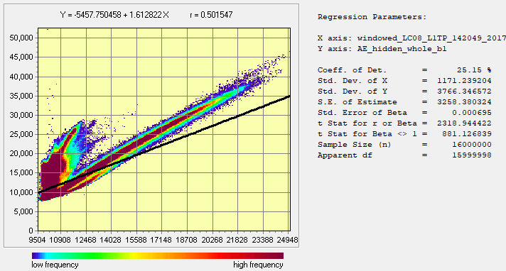
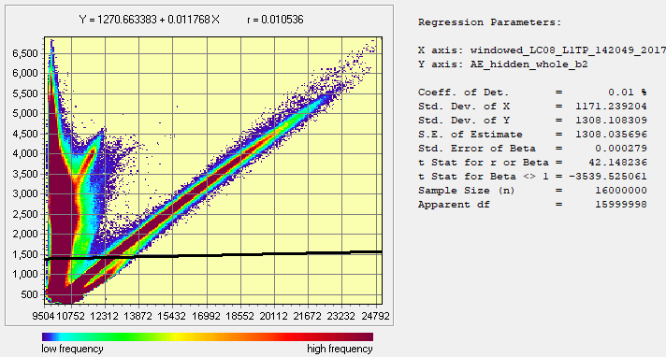
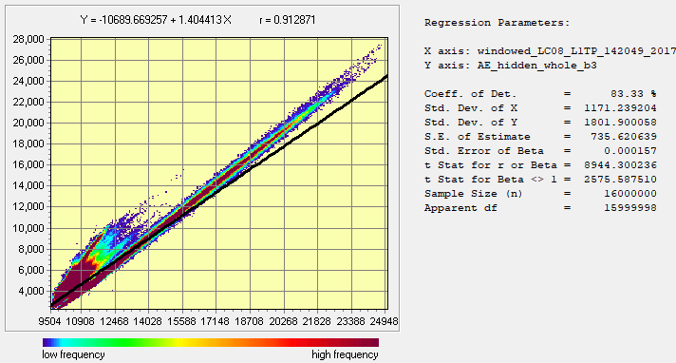
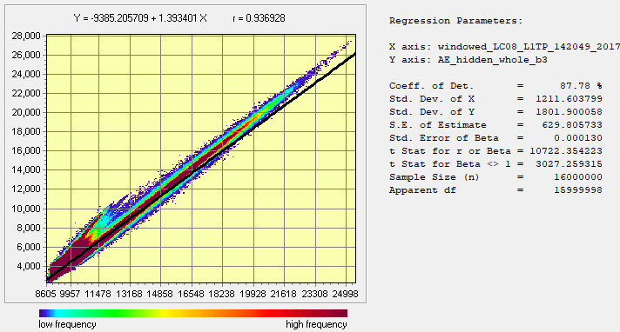
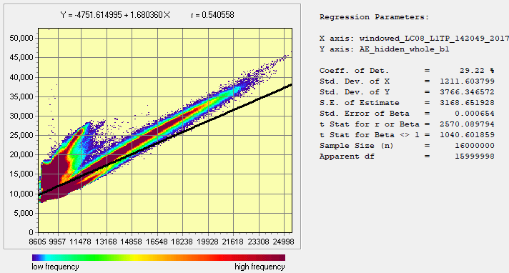
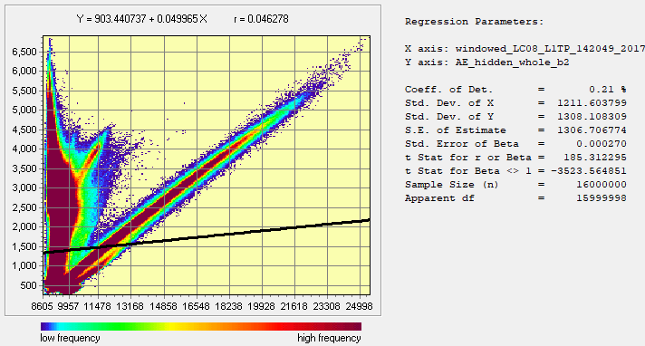
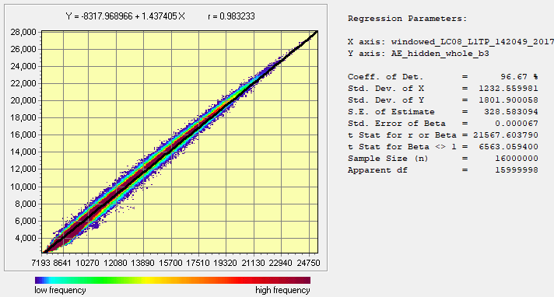
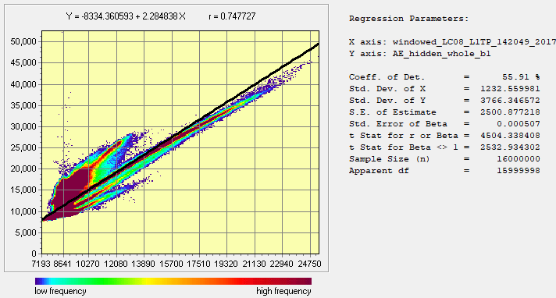
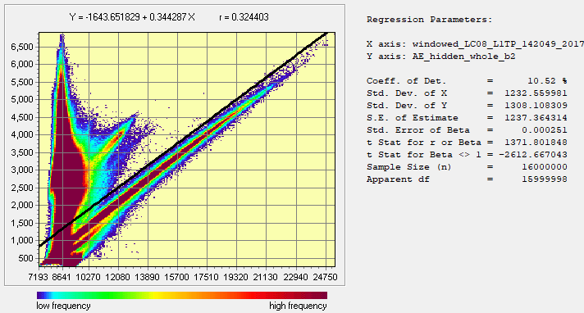
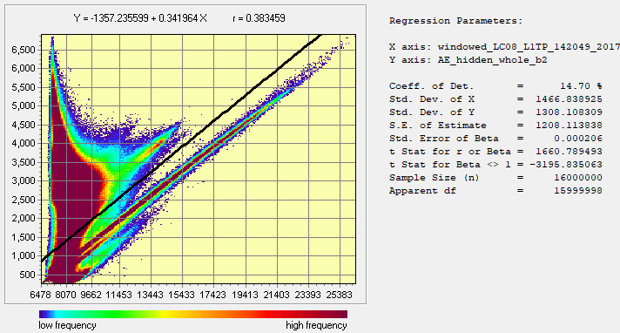
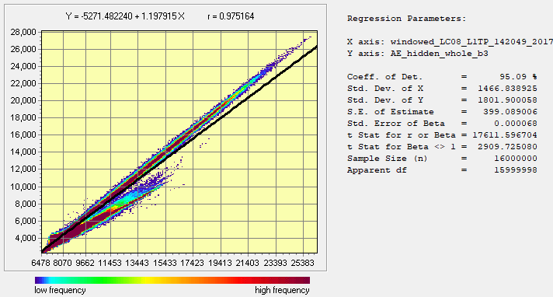
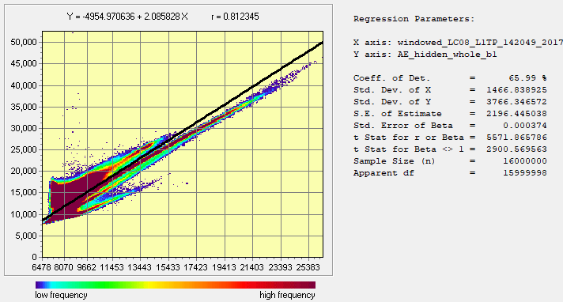
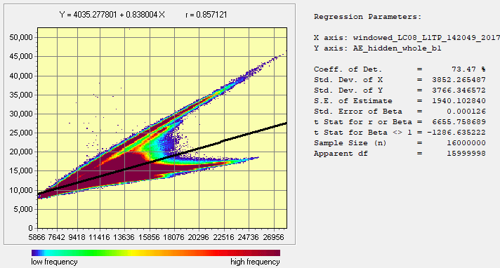
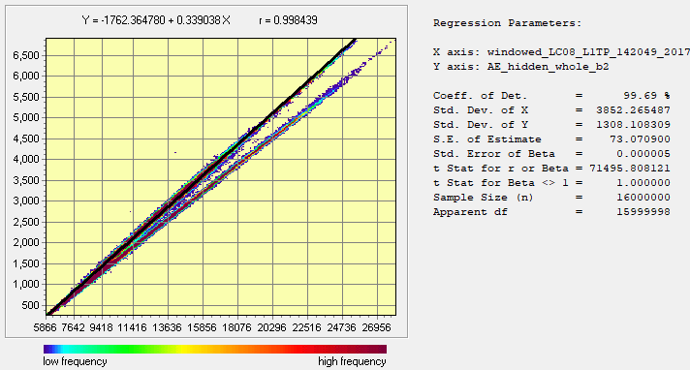
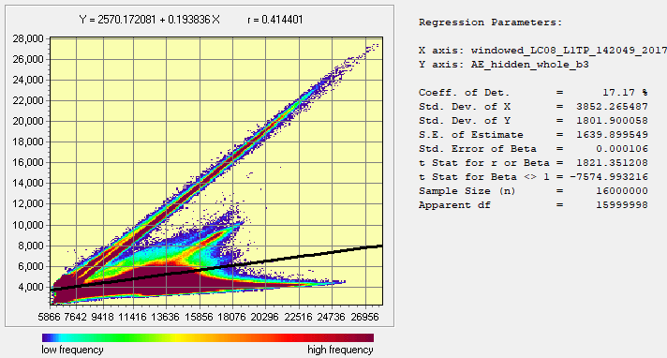
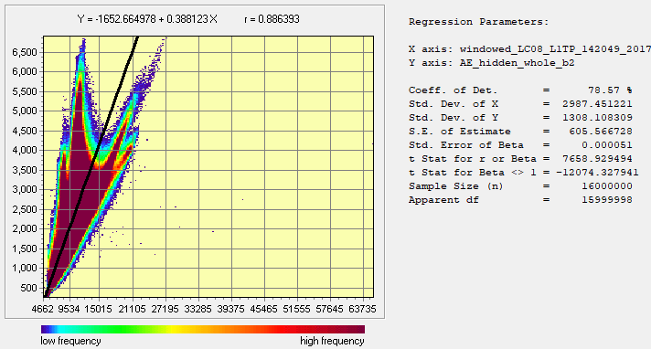
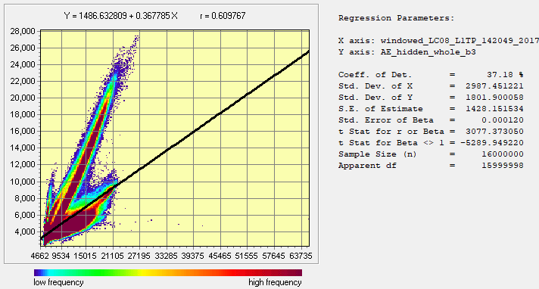
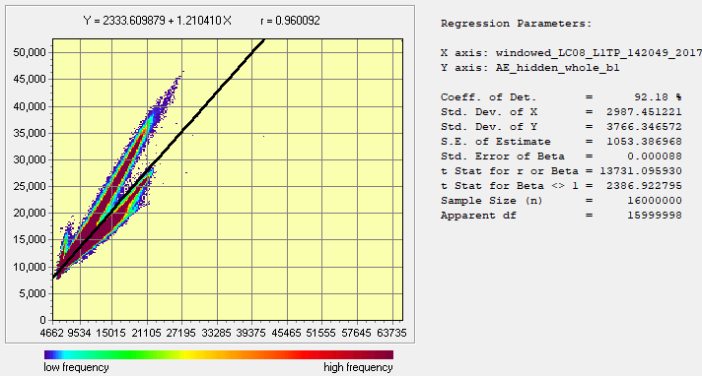
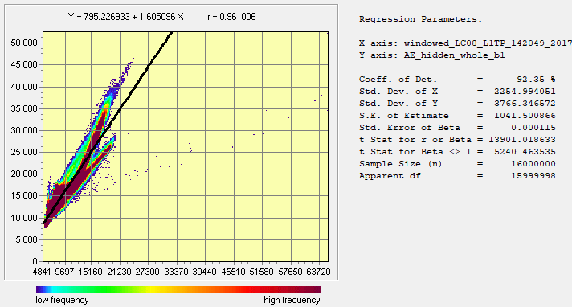
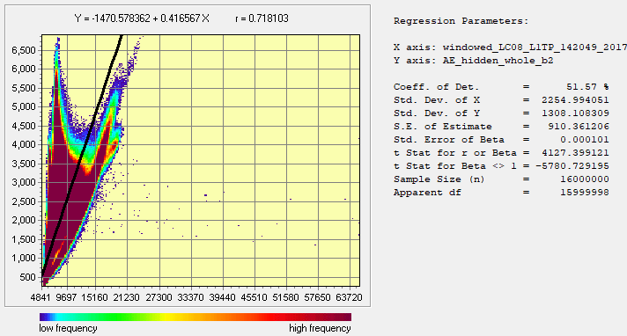
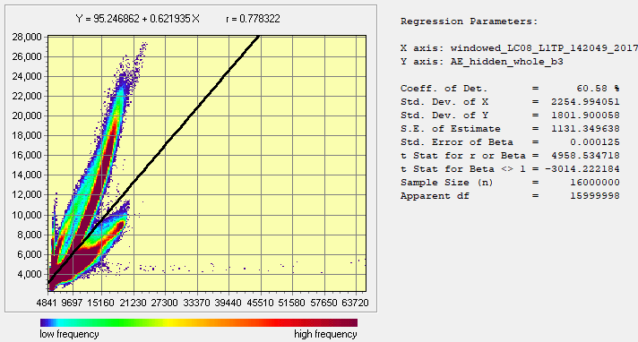
T-MODE LOADING | C 1 | C 2 | C 3 | C 4 | C 5 | C 6 | C 7
windowed_LC08_L1TP_142049_20170120_20170311_01_T1_B1 | 0.310945 | 0.892354 | -0.268785 | -0.181723 | -0.025383 | -0.026751 | 0.019728
windowed_LC08_L1TP_142049_20170120_20170311_01_T1_B2 | 0.350965 | 0.893065 | -0.257046 | -0.107126 | -0.034 | 0.003798 | -0.02321
windowed_LC08_L1TP_142049_20170120_20170311_01_T1_B3 | 0.596304 | 0.745262 | -0.241043 | 0.150261 | -0.019653 | 0.088906 | 0.005948
windowed_LC08_L1TP_142049_20170120_20170311_01_T1_B4 | 0.671125 | 0.717692 | -0.067085 | 0.156851 | 0.030639 | -0.066841 | -0.000568
windowed_LC08_L1TP_142049_20170120_20170311_01_T1_B5 | 0.942186 | -0.301604 | -0.145639 | -0.005236 | 0.00897 | -0.001162 | -0.000187
windowed_LC08_L1TP_142049_20170120_20170311_01_T1_B6 | 0.982597 | 0.019953 | 0.178548 | 0.006424 | -0.046583 | -0.003708 | 0.000338
windowed_LC08_L1TP_142049_20170120_20170311_01_T1_B7 | 0.918266 | 0.31906 | 0.221198 | -0.045624 | 0.061037 | 0.015891 | -0.000294

AE | Encoded 1 | Encoded 2 | Encoded 3
windowed_LC08_L1TP_142049_20170120_20170311_01_T1_B1 | 0.5 | 0.01 | 0.91
windowed_LC08_L1TP_142049_20170120_20170311_01_T1_B2 | 0.54 | 0.05 | 0.94
windowed_LC08_L1TP_142049_20170120_20170311_01_T1_B3 | 0.75 | 0.32 | 0.98
windowed_LC08_L1TP_142049_20170120_20170311_01_T1_B4 | 0.81 | 0.38 | 0.98
windowed_LC08_L1TP_142049_20170120_20170311_01_T1_B5 | 0.86 | 0.998 | 0.41
windowed_LC08_L1TP_142049_20170120_20170311_01_T1_B6 | 0.96 | 0.87 | 0.61
windowed_LC08_L1TP_142049_20170120_20170311_01_T1_B7 | 0.96 | 0.72 | 0.78

